Cover
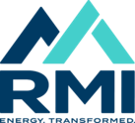 Program Time Report (PLEASE DO NOT DISTRIBUTE)

Carbon-Free Electricity - Oct-2024

